Schedules
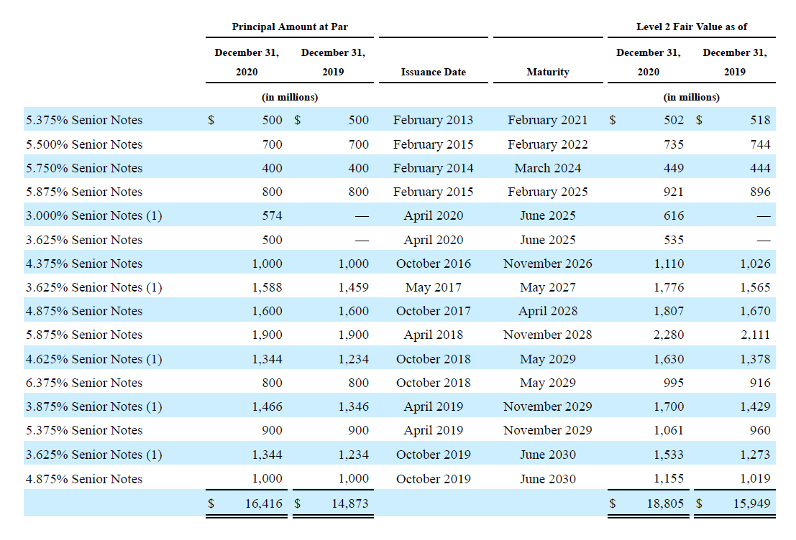
PP&E

(in thousands) | 2018 Act | 2019 Act | 2020 Act | 2021 Forcasted | 2022 Forcasted | 2023 Forcasted | 2024 Forcasted
Beginning Balance |  | 418,281 | 565,221 | 960,183 | 1,284,140 | 1,580,571 | 1,855,678
add: Capex |  | 250,519 | 510,672 | 510,672 | 510,672 | 510,672 | 510,672
less: Depreciation | 83,157 | 103,579 | 115,710 | 186,715 | 214,241 | 235,565 | 252,342
Closing Balance | 418,281 | 565,221 | 960,183 | 1,284,140 | 1,580,571 | 1,855,678 | 2,114,008
 |  |  |  |  |  |  |  |  | maturity date is given- value that is to be maturede on a given financial year is our debt repaid. We are assuming netflix is taking no more new debt- given it's already has enough given its balancesheet size
Useful life |  | 6 | 9 | 7.9 | 8.38 | 8.88 | 9.38

Content Assets
(in thousands) | 2018 Act | 2019 Act | 2020 Act | 2021 Forcasted | 2022 Forcasted | 2023 Forcasted | 2024 Forcasted
Beginning Balance |  | 14,951,141 | 24,504,567 | 25,383,950 | 26,490,395 | 27,281,060 | 27,846,069
add: Addition to Content Assets |  | 18,769,673 | 11,686,295 | 11,686,295 | 11,686,295 | 11,686,295 | 11,686,295
less: Amortisation of Content Assets |  | 9,216,247 | 10,806,912 | 10,579,850 | 10,895,630 | 11,121,286 | 11,282,539
Closing Balance | 14,951,141 | 24,504,567 | 25,383,950 | 26,490,395 | 27,281,060 | 27,846,069 | 28,249,825

Useful life |  | 3.7 | 3.3 | 3.5 | 3.5 | 3.5 | 3.5 | since the past trends reflects stability- we have continued with the average of past years

Debt Schedule
Beginning Balance of Debt |  | 10,360,058 | 14,759,260 | 15,809,095 | 15,309,095 | 14,609,095 | 14,609,095
add/less: Debt Taken /(debt repaid) |  | 4,399,202 | 1,049,835 | (500,000) | (700,000) | - | (400,000)
Closing Balance | 10,360,058 | 14,759,260 | 15,809,095 | 15,309,095 | 14,609,095 | 14,609,095 | 14,209,095

Interest Expense | (420,493) | (626,023) | (767,499) | (696,285) | (664,448) | (664,448) | (646,255)
 | -4.1% | -4.2% | -4.9% | -4.5% | -4.5% | -4.5% | -4.5%

WACC
WACC

Risk free Rate | 1.67%
Market Risk Premium | 5.50%
Beta | 1.058

(in thousands) | Amount

Cost of Equity | 7.27% | RiskfreeRate*beta + Market Risk Premium
Cost Debt | 4.88%

Equity | 25,722,264.41
Debt | 14,209,095.00
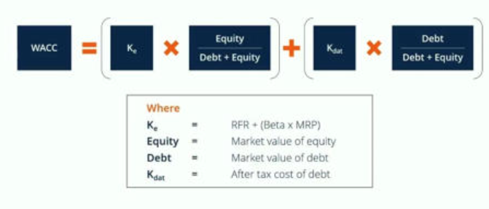
Equity/(Equity+Debt) | 0.64
Debt/(Equity+Debt) | 0.36

WACC | 6.42%

DCF
DCF Analysis

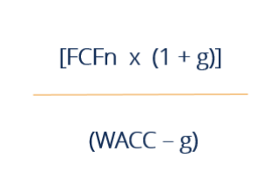
(in thousands) | 2021 Forcasted | 2022 Forcasted | 2023 Forcasted | 2024 Forcasted
UFCF | 2,041,907.77 | 3,126,088.38 | 3,918,511.52 | 4,660,888.05
Discounting Factor | 0.93971 | 0.88306 | 0.82982 | 0.77979 | Terminal value-
No of Years | 1 | 2 | 3 | 4

PV of UFCF | 1,918,802.30 | 2,760,510.93 | 3,251,647.46 | 3,634,503.63

Sum of PV | 11,565,464.32

Terminal Value | 99,852,068.67
PV of Terminal value | 77,863,424.81

Enterprise Value | 89,428,889.13
Debt | 14,209,095.00
Cash | 18,047,199.55
Equity Value | 93,266,993.68

